ProcessHeat
 | Flow In (PJ)
 |  | Chemicals33 | Food_Bev_Tob30 | Mining2 | PNFMetals352 | IndOther
 | Coal | 24.37 | 16.27 | 38.15 | 0.45 | 50 |  | Process | Chemicals33 | Food_Bev_Tob30 | Mining2 | PNFMetals352 | IndOther
 | Electricity | 0.4 | 0.3 |  |  | 0.23 | Coal | ICPSCLE-E | 15.59
 | Gas | 3.69 | 3.82 |  | 0.51 | 4.29 | Electricity | ICPSELC-E | 0.31
 | HFO | 1.1 |  |  |  |  | Gas | ICPSGAS-E | 2.66
 | LPG |  |  | 0.14 |  |  | HFO | ICPSOHF-E | 0.75
 | Total | 29.56 | 20.39 | 38.29 | 0.96 | 54.52 | Coal | IFBSCOA-E |  | 10.41
 |  |  |  |  |  |  | Electricity | IFBSELC-E |  | 0.23
 | Flow Out (Useful Energy) |  |  |  |  |  | Gas | IFBSGAS-E |  | 2.75
 |  | Chemicals33 | Food_Bev_Tob30 | Mining2 | PNFMetals352 | IndOther | Coal | IMISCOA-E |  |  | 24.42
 | Coal | 15.59 | 10.41 | 24.42 | 0.29 | 32 | LPG | IMISOLP-E |  |  | 0.1
 | Electricity | 0.31 | 0.23 | 0 | 0 | 0.17 | Coal | INFSCOA-E |  |  |  | 0.29
 | Gas | 2.66 | 2.75 | 0 | 0.37 | 3.09 | Gas | INFSGAS-E |  |  |  | 0.37
 | HFO | 0.75 | 0 | 0 | 0 | 0 | Coal | IOTSCOA-E |  |  |  |  | 32
 | LPG | 0 | 0 | 0.1 | 0 | 0 | Electricity | IOTSELC-E |  |  |  |  | 0.17
 | Total | 19.31 | 13.39 | 24.52 | 0.66 | 35.26 | Gas | IOTSGAS-E |  |  |  |  | 3.09

 | Efficiency
 |  | Chemicals33 | Food_Bev_Tob30 | Mining2 | PNFMetals352 | IndOther
 | Coal | 64% | 64% | 64% | 64% | 64%
 | Electricity | 77% | 77% |  |  | 74%
 | Gas | 72% | 72% |  | 73% | 72%
 | HFO | 68%
 | LPG |  |  | 71%

 | Industry Other Includes: |  |  | Industry Other Excludes:
 |  |  |  | Iron_Steel351
 |  |  |  | NMMProducts34
 |  |  |  | Pulp_Paper323
 |  |  |  | FerroAlloys
 |  |  |  | Aluminium35220

 | Includes: see table below
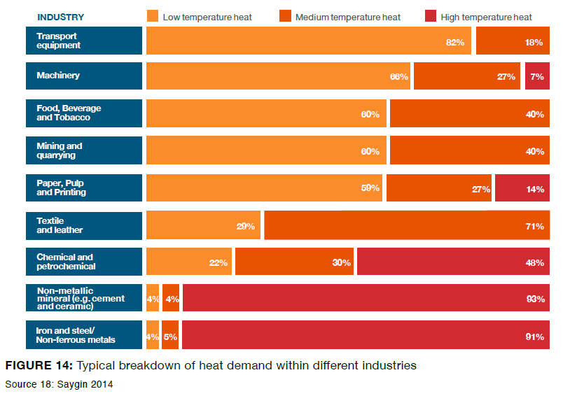
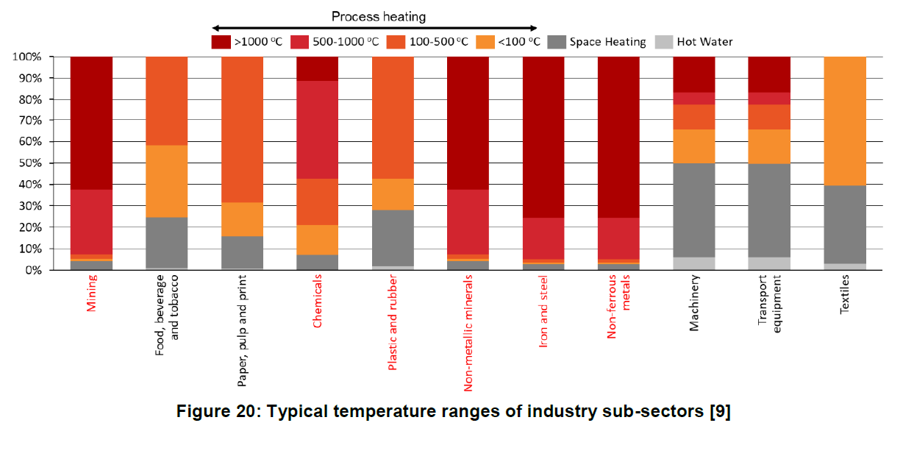
 | From AGWF | Temperature
SATIM Sectors | EB Sectors | <100 | 100-400 | >400
Mining2 | Mining and quarrying | 56.0% | 44.0%
Food_Bev_Tob30 | Food and tobacco | 55.0% | 45.0%
Pulp_Paper323 | Paper, pulp and print | 26.0% | 57.0% | 17.0%
Chemicals33 | Basic chemical and petrochemical | 23.0% | 28.0% | 49.0%
Chemicals33 | Other chemcial industry | 22.0% | 29.0% | 49.0%
Chemicals33 | Plastic and rubber production | 61.0% | 37.0% | 2.0%
NMMProducts34 | Glass and ceramic | 5.0% | 10.0% | 85.0%
NMMProducts34 | Cement and lime production | 7.0% | 4.0% | 89.0%
Iron_Steel351 | Iron and steel production | 2.0% | 5.0% | 93.0%
PNFMetals352 | Non-ferrous metals, casting | 18.0% | 12.0% | 70.0%
IndOther | Metal processing | 45.0% | 34.0% | 21.0%
IndOther | Vehicle construction | 66.0% | 24.0% | 10.0%
IndOther | Other mechanical engineering | 61.0% | 28.0% | 11.0%
IndOther | Other | 48.0% | 35.0% | 17.0%

